Sheet1
X-Error
 | Error
2.50 | 0.0000
12.50 | 0.0000
18.00 | 0.0000
30.00 | 0.0000
60.00 | 0.0000
100.00 | 0.0000
100mm Tree Shrinkage |  |  |  | Parts Built with Scale = | 1.000
 | Printer |  | Resin |  | Date
X
Nominal | Reading1 | Reading2 | Reading3 | Reading4 | Average | Error
2.50
12.50
18.00
30.00
60.00
100.00

Y-Error
 | Error
2.50 | 0.0000
12.50 | 0.0000
18.00 | 0.0000
30.00 | 0.0000
60.00 | 0.0000
100.00 | 0.0000
Y
Nominal | Reading1 | Reading2 | Reading3 | Reading4 | Average | Error
2.50
12.50
18.00
30.00
60.00
100.00

X Scale = |  |  | Average Linewidth =
Y Scale =

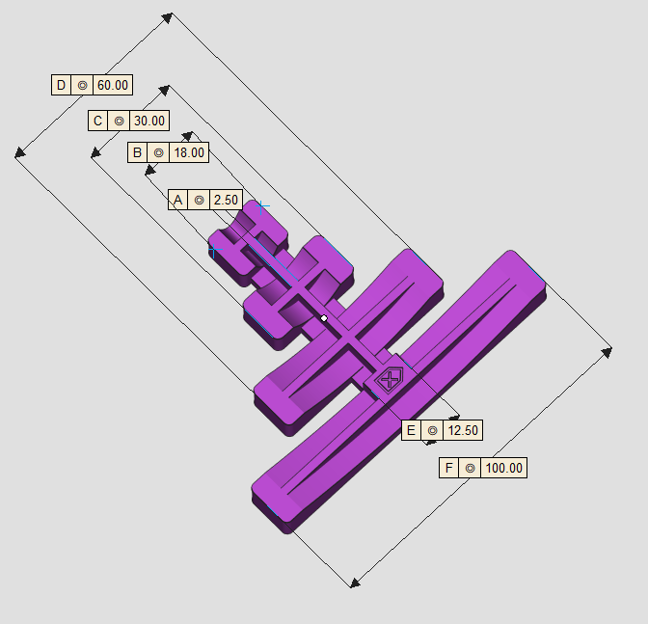
Linewidth X =
Linewidth Y =
Linearity (X) =
Linearity (Y) =

